Cover


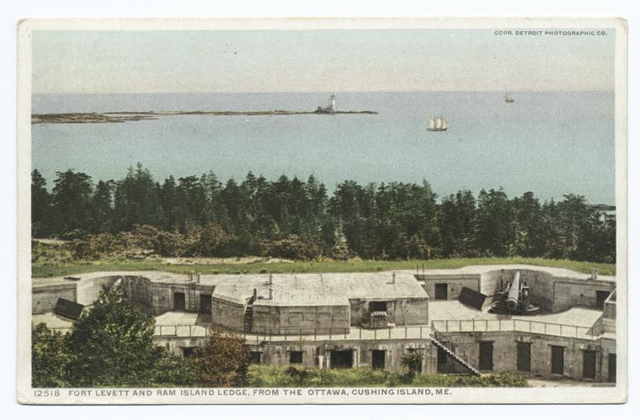

Town of Cape Elizabeth, Maine
Capital Stewardship Plan
Fiscal Years 2018-2027

